Figure 1
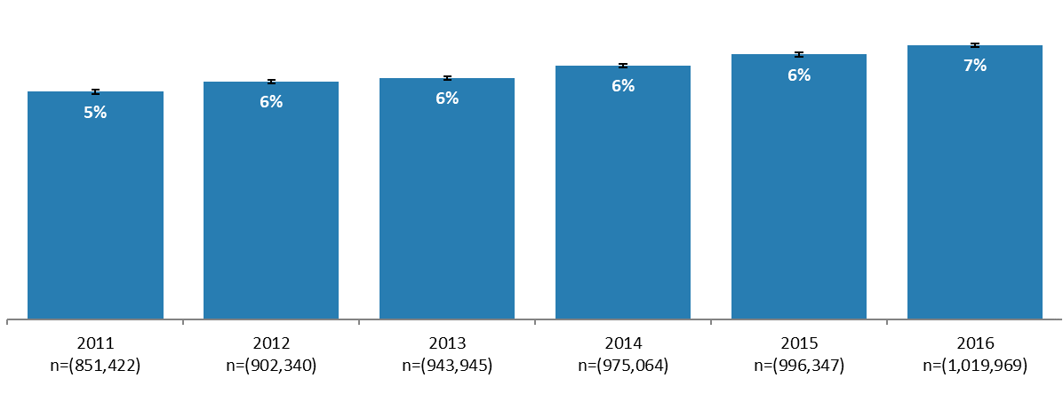
Percentage of enrolled students who self-reported living with disability and/or received a disability support pension, by year, 2011-2016.

Year and count | Percentage of students living with disability | Confidence intervals
2011 n=(851,422) | 5% | 0%
2012 n=(902,340) | 6% | 0%
2013 n=(943,945) | 6% | 0%
2014 n=(975,064) | 6% | 0%
2015 n=(996,347) | 6% | 0%
2016 n=(1,019,969) | 7% | 0%

Source: Custom MADIP extract linked to HEIMS records.
Notes: Unique Commonwealth supported higher education students enrolled each year (2011-2016) undertaking any course. Population (n) reported are overall student count each year. Unadjusted data shown. Error margins 95% z-statistic.

