Figure 1
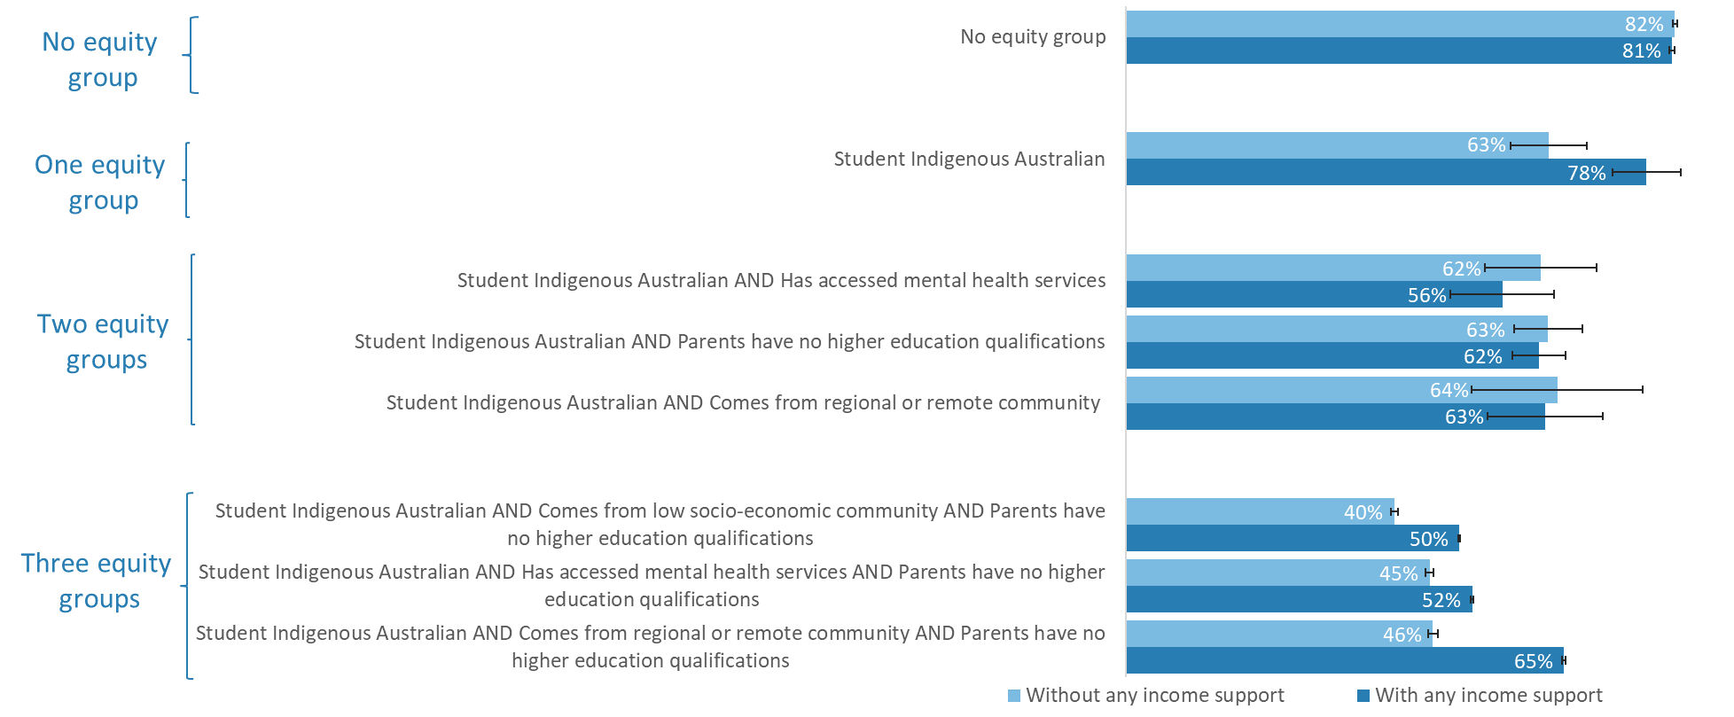
Six-year undergraduate student completion rates of full-time students by equity group membership and whether they received income support, 2011-16

Number of equity groups | Without any income support | With any income support | Standard error without payment | Standard error with payment
No equity group | 82% | 81% | 0.003 | 0.004

Student Indigenous Australian | 63% | 78% | 0.057 | 0.051

Student Indigenous Australian AND Has accessed mental health services | 62% | 56% | 0.083 | 0.078
Student Indigenous Australian AND Parents have no higher education qualifications | 63% | 62% | 0.051 | 0.040
Student Indigenous Australian AND Comes from regional or remote community | 64% | 63% | 0.128 | 0.086

Student Indigenous Australian AND Comes from low socio-economic community AND Parents have no higher education qualifications | 40% | 50% | 0.005 | 0.001
Student Indigenous Australian AND Has accessed mental health services AND Parents have no higher education qualifications | 45% | 52% | 0.006 | 0.002
Student Indigenous Australian AND Comes from regional or remote community AND Parents have no higher education qualifications | 46% | 65% | 0.007 | 0.002

Source: Multi-Agency Data Integration Project (MADIP), custom analytical extract, 2011-2016.
Notes: Equity groups include Indigeneity, student originated from the lowest 30 per cent of Socio-Economic Index for Areas Index of Relative Socio-economic Advantage and Disadvantage, regional or remote background, and/or had no parents with higher education qualifications. Error bars are 95 per cent standard errors. Income support included any of the following received during study: Youth Allowance, Austudy, ABSTUDY, Carer Payment, Disability Support Pension or Parenting Payment

