Figure 3
Percentage of students in the workforce whilst studying, by gap-year taking and Index of Relative Socio-economic Advantage and Disadvantage (IRSAD), commencing higher education 2011.

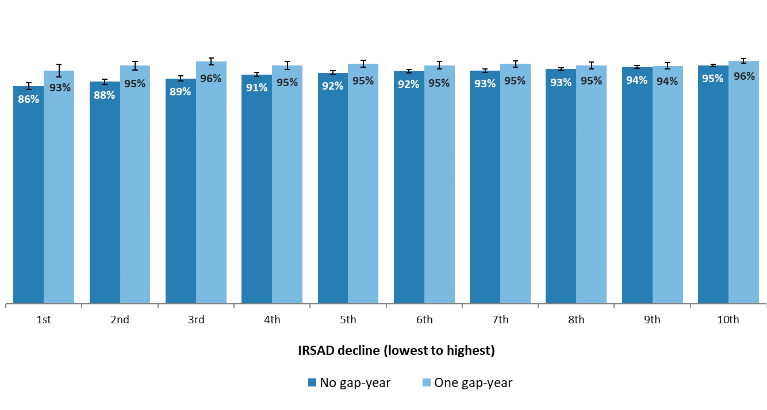
 | No Gap-year |  |  |  | Gap-year
IRSAD | % working during study | Confidence Intervals (95%) | Count | Column1 | % working during study2 | Confidence Intervals (95%)3 | Count4
1st | 86% | 1% | 2484 |  | 93% | 3% | 402
2nd | 88% | 1% | 3525 |  | 95% | 2% | 623
3rd | 89% | 1% | 3709 |  | 96% | 1% | 689
4th | 91% | 1% | 4303 |  | 95% | 2% | 822
5th | 92% | 1% | 4801 |  | 95% | 1% | 941
6th | 92% | 1% | 5216 |  | 95% | 1% | 964
7th | 93% | 1% | 6025 |  | 95% | 1% | 1001
8th | 93% | 1% | 6926 |  | 95% | 1% | 1120
9th | 94% | 1% | 8411 |  | 94% | 1% | 1300
10th | 95% | 0% | 10283 |  | 96% | 1% | 1822

 |  |  | Source: Multi-Agency Data Integration Project, custom analytical extracts, 2010-2016.
 |  |  | Notes: The population for this graph are those who left high school between 2009 and 2010, commenced higher education on a Commonwealth Supported Place in 2011. Proportion in the workforce was measured by reporting any income by personal exertion in financial years where study load occurred. Income from personal exertion includes wages and salaries, attributable personal services income, lump sum payments, foreign source income, allowances, tip and fees. Groups were significantly different at deciles 2 to 3 (pair-wise proportion test, p < 0.05), N = 65,367. Error margins are 95% z-statistic.

Figure 4
Proportion of students receiving student income support in first year of bachelor degree, by year commenced and gap-year taking, 2009-16.

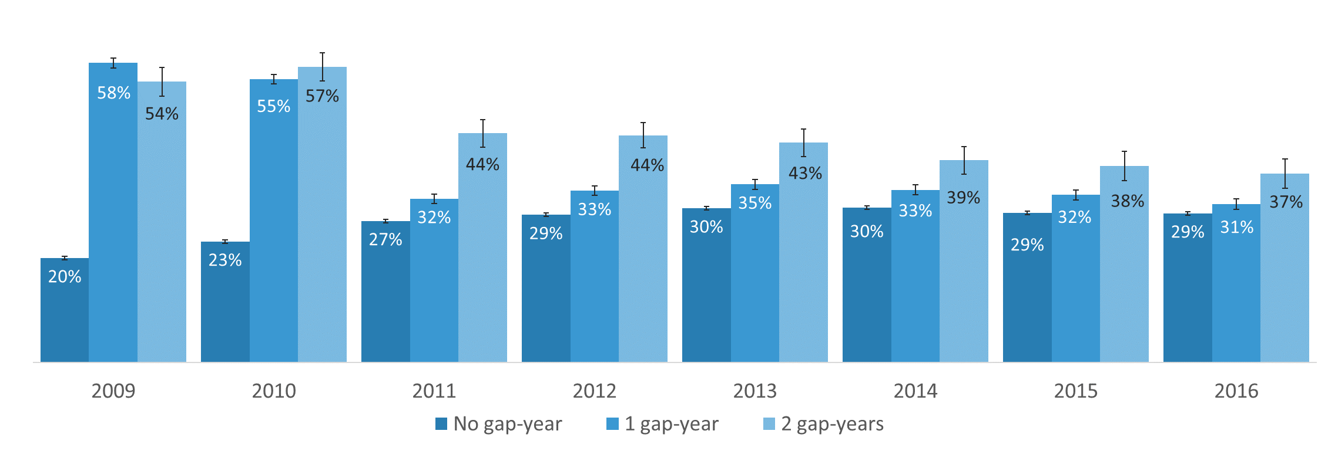
 | Percentage receiving student income support |  |  | Confidence intervals (95%) |  |  | Count
Year | No gap-year | One gap-year | Two gap-years | No gap-year2 | One gap-year2 | Two gap-years2 | No gap-year5 | One gap-year3 | Two gap-years3
2009 | 20% | 58% | 54% | 0% | 1% | 3% | 52018 | 10617 | 1221
2010 | 23% | 55% | 57% | 0% | 1% | 3% | 57278 | 11525 | 1291
2011 | 27% | 32% | 44% | 0% | 1% | 3% | 59478 | 11045 | 1333
2012 | 29% | 33% | 44% | 0% | 1% | 2% | 64946 | 10217 | 1578
2013 | 30% | 35% | 43% | 0% | 1% | 3% | 69498 | 9894 | 1338
2014 | 30% | 33% | 39% | 0% | 1% | 3% | 67665 | 9576 | 1244
2015 | 29% | 32% | 38% | 0% | 1% | 3% | 63043 | 8936 | 1140
2016 | 29% | 31% | 37% | 0% | 1% | 3% | 64432 | 8337 | 1120

Source: Multi-Agency Data Integration Project, custom analytical extracts, 2008-2016.
Notes: The population for this graph are those that commenced a bachelor degree for the first time on a Commonwealth Supported Place between 2009 and 2016 (N = 588,758). Error margins 95% z-statistic.

Figure 5
Modelled probability of receiving student income support in first year of bachelor degree, by year commenced and gap-year taking, 2009-16.

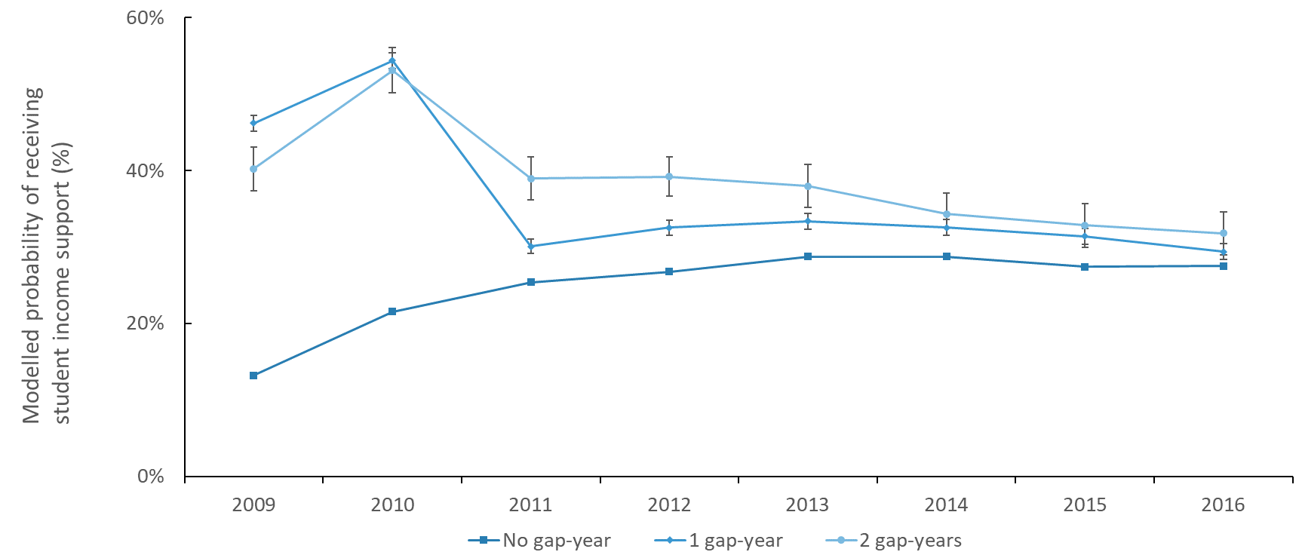
Year | Gap-year status | Predictive Margin - modelled probability of receiving student income support | lower margin | upper margin
2009 | No gap-year | 13% | 0% | 0%
2009 | One gap-year | 46% | 1% | 1%
2009 | Two gap-years | 40% | 3% | 3%
2010 | No gap-year | 22% | 0% | 0%
2010 | One gap-year | 54% | 1% | 1%
2010 | Two gap-years | 53% | 3% | 3%
2011 | No gap-year | 25% | 0% | 0%
2011 | One gap-year | 30% | 1% | 1%
2011 | Two gap-years | 39% | 3% | 3%
2012 | No gap-year | 27% | 0% | 0%
2012 | One gap-year | 33% | 1% | 1%
2012 | Two gap-years | 39% | 3% | 3%
2013 | No gap-year | 29% | 0% | 0%
2013 | One gap-year | 33% | 1% | 1%
2013 | Two gap-years | 38% | 3% | 3%
2014 | No gap-year | 29% | 0% | 0%
2014 | One gap-year | 33% | 1% | 1%
2014 | Two gap-years | 34% | 3% | 3%
2015 | No gap-year | 27% | 0% | 0%
2015 | One gap-year | 31% | 1% | 1%
2015 | Two gap-years | 33% | 3% | 3%
2016 | No gap-year | 27% | 0% | 0%
2016 | One gap-year | 29% | 1% | 1%
2016 | Two gap-years | 32% | 3% | 3%

Source: Multi-Agency Data Integration Project, custom analytical extracts, 2009-2016.
Notes: The population for this graph are those that commenced a bachelor degree for the first time on a Commonwealth Supported Place between 2009 and 2016. Modelled probability regression: incidence of receiving student income support in the first year of study was as a function of gap-year taking, year commenced, age, Indigeneity, disability, institution, gender, attendance type, English-speaking country of birth, language, tertiary entrance score, parents’ education, field of education (χ2 = 76,012, p <0.001, pseudo-R2= 0.11, N = 588,758). Error margins 95% confidence interval.

Figure 6
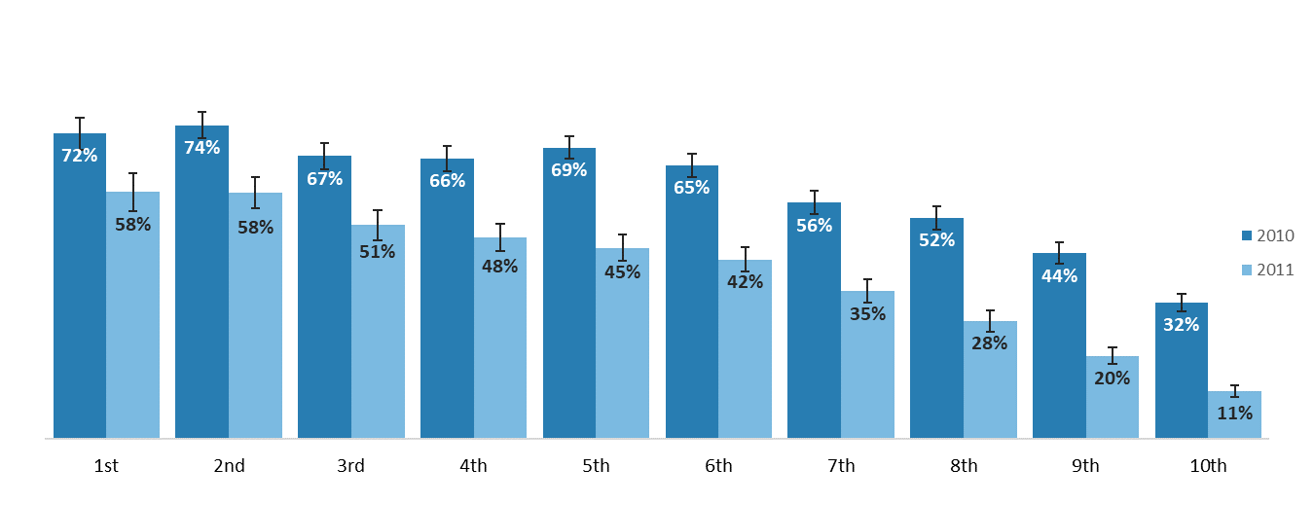
Proportion of gap-year takers (one or two years) receiving student income support in their first year of a bachelor degree, by year commenced and location - Index of Relative Socio-economic Advantage and Disadvantage (IRSAD), 2010-11.

IRSAD | 2010 (First year of higher education) | 2011 (First year of higher education) | 2010 error (95%) | 2011 error (95%) | Count 2010 | Count 2011
1 | 72% | 58% | 4% | 4% | 535 | 467
2 | 74% | 58% | 3% | 4% | 751 | 704
3 | 67% | 51% | 3% | 3% | 891 | 796
4 | 66% | 48% | 3% | 3% | 986 | 926
5 | 69% | 45% | 3% | 3% | 1100 | 1057
6 | 65% | 42% | 3% | 3% | 1112 | 1106
7 | 56% | 35% | 3% | 3% | 1235 | 1131
8 | 52% | 28% | 3% | 2% | 1276 | 1265
9 | 44% | 20% | 3% | 2% | 1437 | 1436
10 | 32% | 11% | 2% | 1% | 1918 | 1984

Source: Multi-Agency Data Integration Project, custom analytical extracts, 2009-2016.
Notes: The population for this graph are those that took a gap-year (one or two years) and commenced a bachelor degree on a Commonwealth Supported Place between 2010 and 2011 and had a known year 12 address (N = 21,554). Yearly movement at each decile significantly different (pair-wise proportion test, p < 0.05). The student’s modal year 12 address was classified according to the Index of Relative Socio-economic Advantage and Disadvantage (IRSAD). Error margins 95% z-statistic.

