Figure 1
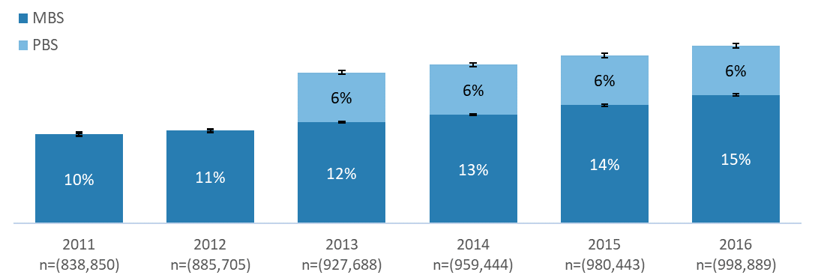
Percentage of enrolled students using Medicare Benefits Schedule (MBS) mental health services and/or Pharmaceutical Benefits Scheme (PBS) for mental health related pharmaceuticals, by year, 2011-16.

Year | MBS | PBS | Confidence intervals of MBS (95%) | Confidence intervals of MBS and or PBS (95%) | Count
2011 | 10% | 0% | 0.13% | 0.25% | 838,850
2012 | 11% | 0% | 0.12% | 0.24% | 885,705
2013 | 12% | 6% | 0.13% | 0.25% | 927,688
2014 | 13% | 6% | 0.13% | 0.25% | 959,444
2015 | 14% | 6% | 0.13% | 0.26% | 980,443
2016 | 15% | 6% | 0.13% | 0.26% | 998,889

Source: Custom Multi-Agency Data Integration Project (MADIP) extract linked to Higher Education Information Management Systems (HEIMS) records.
Notes: Unique Commonwealth supported higher education students enrolled each year (2011-2016) undertaking any course. Population (n’s) reported are overall student count each year. Unadjusted data shown. Error margins 95% z-statistic. Accurate and complete PBS data is only available from 2013 onwards. See methodology section for definition of higher education students.

Figure 2

Six-year completion rates of 2011 commencing full-time bachelor degree students, by select compounding risk factors.

Column1 | No risk factors | +Mental Health condition | +Mental Health condition +First in Family | +Mental Health condition +First in Family +Indigenous | Confidence interval (95%)
No payment | 82% | 72% | 63% | 45% | 0.32%
Any payment | 81% | 72% | 67% | 52% | 0.42%

Source: Custom MADIP extract linked to HEIMS records.
Notes: See Data and methodology for details. Error bars are 95 per cent confidence intervals. First in Family is where a student has no parents with bachelor degree qualifications at the time of enrolment. Any payment is any study assistance payment (Youth Allowance, Austudy and ABSTUDY) or other payment while studying such as Disability Support Pension or carer payments.

Figure 3
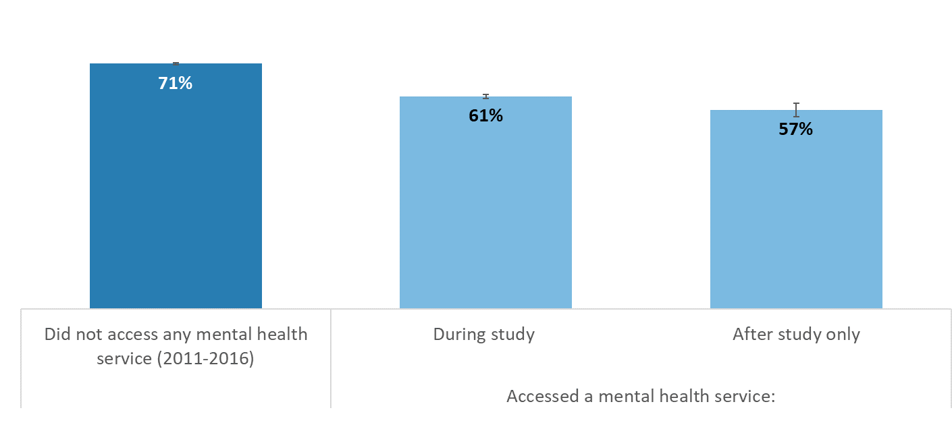
Six-year completion rates of 2011 commencing bachelor degree students by MBS mental health service use.

Column1 | Completion percentage | Confidence interval (95%)
Did not access mental health service (2011-2016) | 71% | 0%
Access a mental health service during study | 61% | 1%
Accessed a mental health service after study only | 57% | 2%

Source: Custom MADIP extract linked to HEIMS records.
Notes: Unadjusted data shown, N = 109,206. Note: Accessing services after study is defined as access within six months of last semester. Error margins 95% z-statistic.

