Figure 1
Relative importance of factors predicting bachelor degree completion, 2011-2016

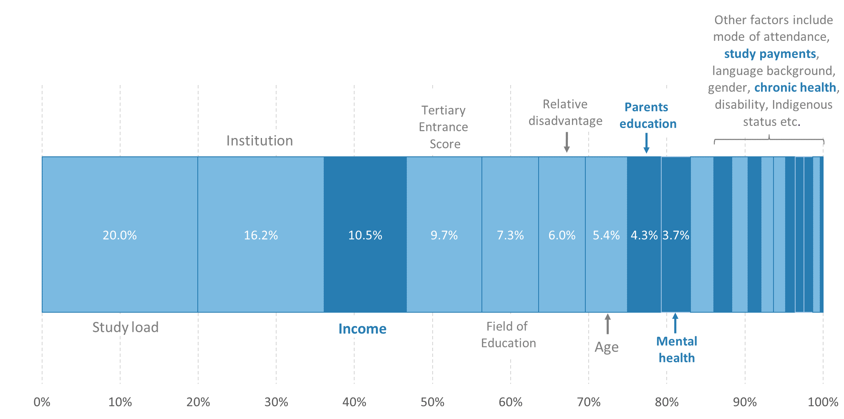
Variable | Importance
Study load | 0.199644
Institution | 0.161865
Income | 0.105257
Tertiary Entrance Score | 0.096637
Field of education | 0.072689
Relative disadvantage | 0.059562
Age at commencement | 0.053928
Parents' education | 0.043461
Mental health service accessed during study | 0.037067
Remoteness area | 0.029849
Received student income support | 0.023322
Attendance mode | 0.020693
Gender | 0.016544
Country of birth | 0.016281
Gap year | 0.015332
Chronic health services accesed | 0.012287
Language spoken at home | 0.011392
Disability services accessed | 0.01096
Did not receive student income support | 0.009535
Aboriginal or Torres Strait Islander student | 0.003693

Source: Multi-Agency Data Integration Project (MADIP), custom analytical extract, 2009-2016.
Notes: The relative importance is how much a variable contributes to the accuracy of the random forest compared to the other variables. Random forest model balanced by SMOTE procedure. Test accuracy of the model was ~80.9 per cent. N= 118,956. Data are for those students who commenced a higher education course on a Commonwealth Supported Place in 2011. Factors in dark purple include a number of new demographics, health status and support payment variables sourced through MADIP. Factor definitions are in the Data and Methodology section.

Figure 2
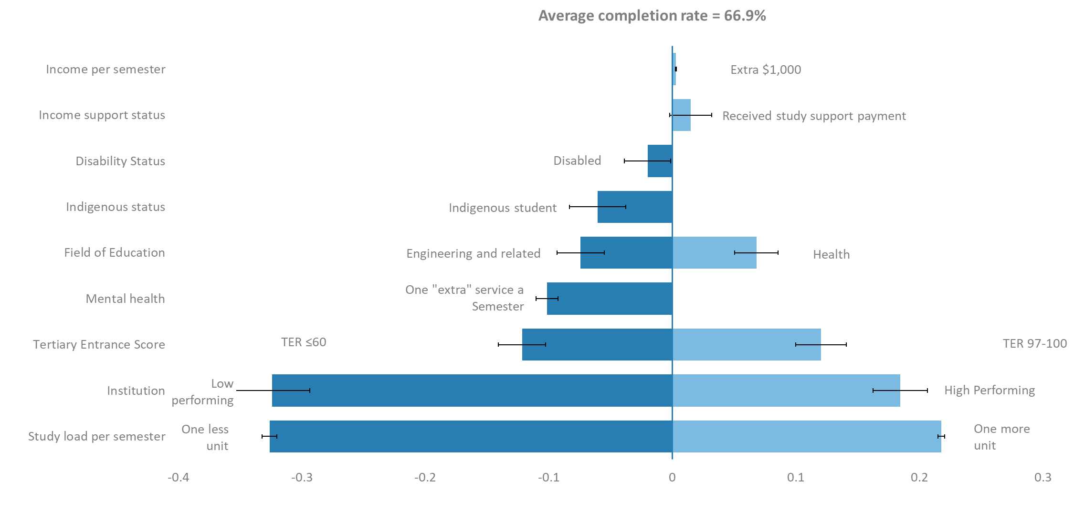
Marginal contribution of selected variables to the average higher education student completion rate, 2011-2016

Column1 | Study load per semester | Institution | Tertiary Entrance Score | Mental health | Field of Education | Indigenous status | Disability Status | Income support status | Income per semester
Best Case | 0.21774878691 | 18% | 12% |  | 7% |  |  | 0.014801 | 0.0026361053463
Worst Case | -0.32615058828 | -32% | -12% | -10% | -7% | -0.060613 | -0.020212

Source: Multi-Agency Data Integration Project, custom analytical extract, 2009-2016.
Notes: The multinomial logistic regression (χ2=31,734; p<0.0001; N= 118,956) had an eta-squared of 24.3 per cent. The eta-squared is analogous to R-squared and explains the amount of variance the model explains. The deviations from the average completion rate are calculated from the logistic regression model mentioned above. For categorical binary variables, the least square means are used, at the average completion rate and for continuous variables the odds ratios were applied at the average completion rate to measure the impact of a single unit change in those variables. Least Square Means levels for the continuous variables were set at, 20.4 years old at enrolment, 0.028754 chronic health services per semester, $5,693 dollars of income per semester, 3.828 units per semester and no mental health services per semester. Error bars are 95 per cent confidence intervals.

