Figure 1
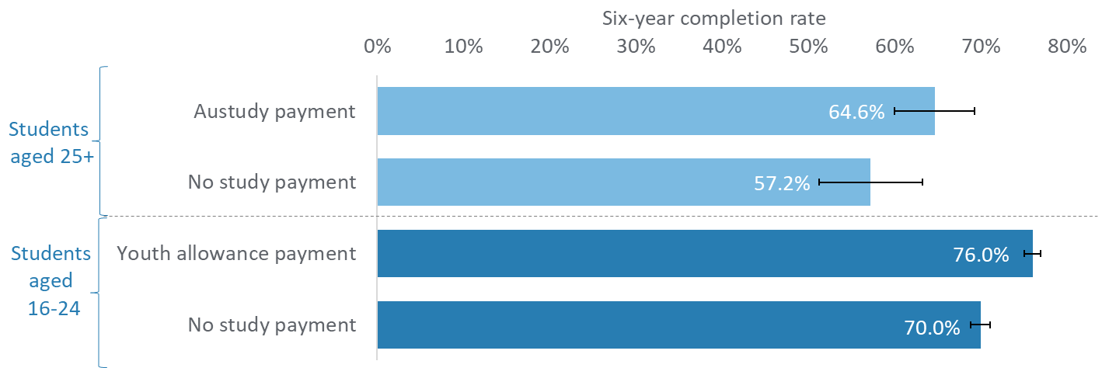
Six-year completion rates of full-time bachelor degree students, by income support payment controlling for other confounding factors, 2011–16.

Age | Study payment | Completion rate | Confidence intervals
Students aged 16-24 | No study payment | 70.0% | 1%
Students aged 16-24 | Youth allowance payment | 76.0% | 1%
Students aged 25+ | No study payment | 57.2% | 6%
Students aged 25+ | Austudy payment | 64.6% | 5%

Source: Multi-Agency Data Integration Project, custom analytical extracts using student payment data linked to student records.
Notes: The population includes all undergraduate Commonwealth supported students who commenced a bachelor degree (course types: 9, 10) (excluding Open University Australia courses) for the first time in 2011. Average completion rate was 74 per cent (N=98,882). The results use exact matching and regression to control for a range of other factors known to affect completion rates. Error bars are 95% confidence intervals. The relationship between study assistance type and completion rate was tested using Poisson regression post-matching [Youth Allowance results: z= 8.3, p<0.001; Pseudo R2=0.02, N = 31,032] [Austudy results: z= 2, p=0.049; Pseudo R2=0.06, N=1,318].

Figure 2
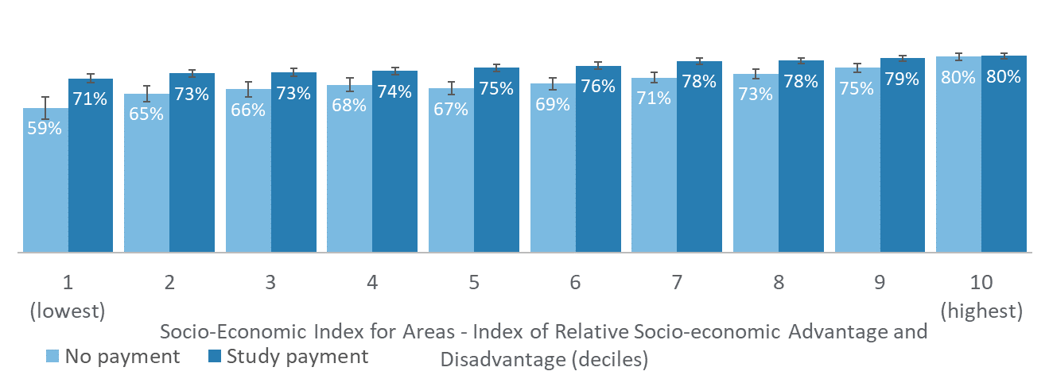
Six-year completion rates of full-time bachelor degree students, by socio-economic background (SEIFA-IRSAD), by Youth Allowance/Austudy payment status, 2011–16.

Study payment | IRSAD | Completion percentage | Confidence intervals | Count
No payment | 1 (lowest) | 59% | 5% | 453
 | 2 | 65% | 3% | 795
 | 3 | 66% | 3% | 865
 | 4 | 68% | 3% | 1136
 | 5 | 67% | 3% | 1268
 | 6 | 69% | 2% | 1520
 | 7 | 71% | 2% | 1782
 | 8 | 73% | 2% | 2104
 | 9 | 75% | 2% | 2403
 | 10 (highest) | 80% | 2% | 2608
Study payment | 1 | 71% | 2% | 2542
 | 2 | 73% | 1% | 3427
 | 3 | 73% | 1% | 3405
 | 4 | 74% | 1% | 3680
 | 5 | 75% | 1% | 3789
 | 6 | 76% | 1% | 3879
 | 7 | 78% | 1% | 4004
 | 8 | 78% | 1% | 4115
 | 9 | 79% | 1% | 4539
 | 10 | 80% | 1% | 4819

Source: Multi-Agency Data Integration Project, custom analytical extracts using student payment data linked to student records.
Notes: The population includes all undergraduate Commonwealth supported students who commenced a bachelor degree (course types: 9, 10) (excluding Open University Australia courses) for the first time in 2011. Students were allocated to the Socio-Economic Index for Areas (SEIFA) Index of Relative Socio-economic Advantage and Disadvantage (IRSAD) they lived in in the year prior to starting higher education. The average completion rate was 74 per cent (N=98,882). Error bars are 95 per cent confidence intervals. We used exact matching and regression to control for a seventeen other factors known to affect completion rates. The average treatment effect of Youth Allowance on completion rates in a matched sample increased from 2.7 per cent to 7.5 per cent between deciles 9 to 10 and 1 to 2, respectively and was tested using Poisson regression post-matching [Youth Allowance results: log pseudo-likelihood = -29,165; Pseudo R2=0.02, N = 31,032].

